Sheet1
Questions on Measure of Skewness and Kurtosis


 | Return
 | -2.5
 | 1.3 | Skewness | 0.054546017084
 | -0.8
 | -1.9 | Kurtosis | -1.3042496426
 | 2.1
 | 0.5 | Interpretation | Interpretation Based on the skewness value is 0.054546017 , A value of zero indicates that there is no skewness in the distribution at all, meaning the distribution is perfectly symmetrical.
 | -1.2
 | 1.8
 | -0.5
 | 2.3 |  | Interpretation Based on the kurtosis These distributions have values of less than 3 or negative excess values -1.304249643. so, this is Platykurtic distributions.
 | -0.7
 | 1.2
 | -1.5
 | -0.3
 | 2.6
 | 1.1
 | -1.7
 | 0.9
 | -1.4
 | 0.3
 | 1.9
 | -1.1
 | -0.4
 | 2.2
 | -0.9
 | 1.6
 | -0.6
 | -1.3
 | 2.4
 | 0.7
 | -1.8
 | 1.5
 | -0.2
 | -2.1
 | 2.8
 | 0.8
 | -1.6
 | 1.4
 | -0.1
 | 2.5
 | -1
 | 1.7
 | -0.9
 | -2
 | 2.7
 | 0.6
 | -1.4
 | 1.1
 | -0.3
 | 2

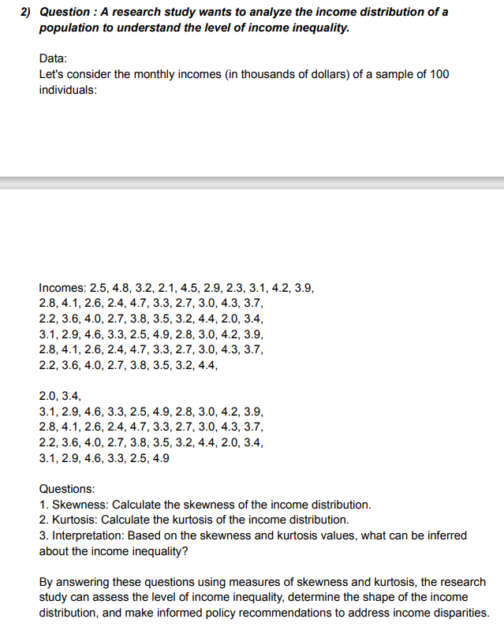
 | Income
 | 2.5 | Skewness | 0.22402536455
 | 4.8
 | 3.2 | Kurtosis | -0.93120912453
 | 2.1
 | 4.5 | Interpretation | Interpretation Based on the skewness value is 0.224025 , A value of zero indicates that there is no skewness in the distribution at all, meaning the distribution is perfectly symmetrical.
 | 2.9
 | 2.3
 | 3.1
 | 4.2 |  | Interpretation Based on the kurtosis These distributions have values of less than 3 or negative excess values -0.93121. so, this is Platykurtic distributions.
 | 3.9
 | 2.8
 | 4.1
 | 2.6
 | 2.4
 | 4.7
 | 3.3
 | 2.7
 | 3
 | 4.3
 | 3.7
 | 2.2
 | 3.6
 | 4
 | 2.7
 | 3.8
 | 3.5
 | 3.2
 | 4.4
 | 2
 | 3.4
 | 3.1
 | 2.9
 | 4.6
 | 3.3
 | 2.5
 | 4.9
 | 2.8
 | 3
 | 4.2
 | 3.9
 | 2.8
 | 4.1
 | 2.6
 | 2.4
 | 4.7
 | 3.3
 | 2.7
 | 3
 | 4.3
 | 3.7
 | 2.2
 | 3.6
 | 4
 | 2.7
 | 3.8
 | 3.5
 | 3.2
 | 4.4
 | 2
 | 3.4
 | 3.1
 | 2.9
 | 4.6
 | 3.3
 | 2.5
 | 4.9
 | 2.8
 | 3
 | 4.2
 | 3.9
 | 2.8
 | 4.1
 | 2.6
 | 2.4
 | 4.7
 | 3.3
 | 2.7
 | 3
 | 4.3
 | 3.7
 | 2.2
 | 3.6
 | 4
 | 2.7
 | 3.8
 | 3.5
 | 3.2
 | 4.4
 | 2
 | 3.4
 | 3.1
 | 2.9
 | 4.6
 | 3.3
 | 2.5
 | 4.9

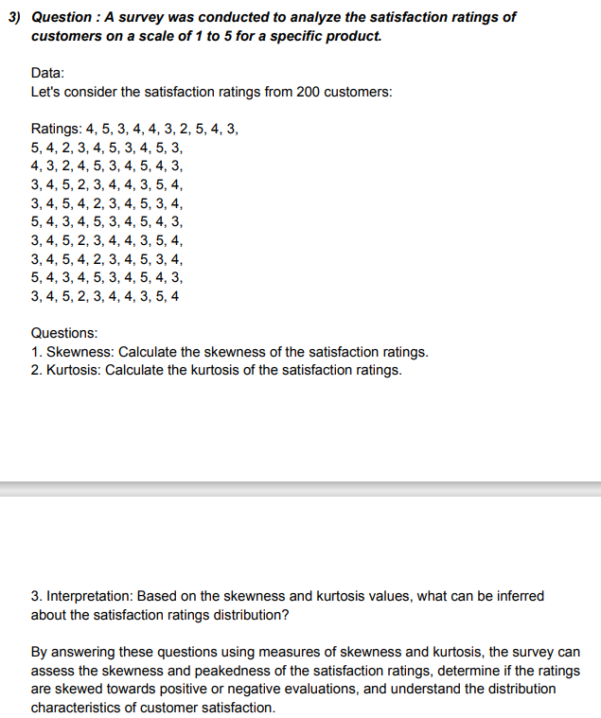
 | Rating | Skewness | -0.21090973977
 | 4
 | 5 | Kurtosis | -0.74525627212
 | 3
 | 4 | Interpretation | Interpretation Based on the skewness value is -0.20773 , then left-skewed distribution is longer on the left side of its peak.
 | 4
 | 3
 | 2
 | 5 |  | Interpretation Based on the kurtosis These distributions have values of less than 3 or negative excess values -0.74526. so, this is Platykurtic distributions.
 | 4
 | 3
 | 5
 | 4
 | 2
 | 3
 | 4
 | 5
 | 3
 | 4
 | 5
 | 3
 | 4
 | 3
 | 2
 | 4
 | 5
 | 3
 | 4
 | 5
 | 4
 | 3
 | 3
 | 4
 | 5
 | 2
 | 3
 | 4
 | 4
 | 3
 | 5
 | 4
 | 3
 | 4
 | 5
 | 4
 | 2
 | 3
 | 4
 | 5
 | 3
 | 4
 | 5
 | 4
 | 3
 | 4
 | 5
 | 3
 | 4
 | 5
 | 4
 | 3
 | 3
 | 4
 | 5
 | 2
 | 3
 | 4
 | 4
 | 3
 | 5
 | 4
 | 3
 | 4
 | 5
 | 4
 | 2
 | 3
 | 4
 | 5
 | 3
 | 4
 | 5
 | 4
 | 3
 | 4
 | 5
 | 3
 | 4
 | 5
 | 4
 | 3
 | 3
 | 4
 | 5
 | 2
 | 3
 | 4
 | 4
 | 3
 | 5
 | 4

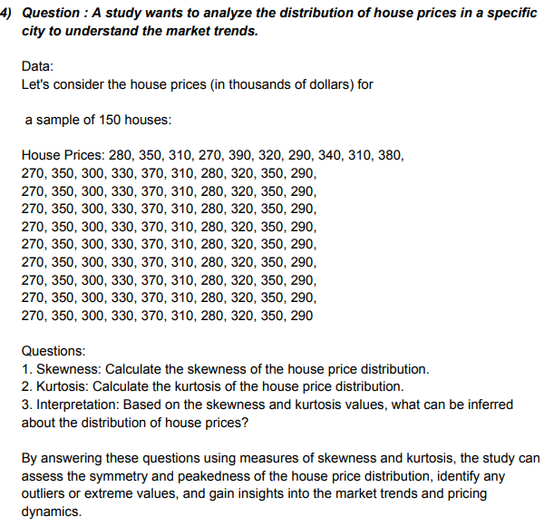
 | Rating | Skewness | 0.2092186248
 | 280
 | 350 | Kurtosis | -1.0374244845
 | 310
 | 270 | Interpretation | Interpretation Based on the skewness value is 0.206067 , A value of zero indicates that there is no skewness in the distribution at all, meaning the distribution is perfectly symmetrical.
 | 390
 | 320
 | 290
 | 340 |  | Interpretation Based on the kurtosis These distributions have values of less than 3 or negative excess values -1.03742. so, this is Platykurtic distributions.
 | 310
 | 380
 | 270
 | 350
 | 300
 | 330
 | 370
 | 310
 | 280
 | 320
 | 350
 | 290
 | 270
 | 350
 | 300
 | 330
 | 370
 | 310
 | 280
 | 320
 | 350
 | 290
 | 270
 | 350
 | 300
 | 330
 | 370
 | 310
 | 280
 | 320
 | 350
 | 290
 | 270
 | 350
 | 300
 | 330
 | 370
 | 310
 | 280
 | 320
 | 350
 | 290
 | 270
 | 350
 | 300
 | 330
 | 370
 | 310
 | 280
 | 320
 | 350
 | 290
 | 270
 | 350
 | 300
 | 330
 | 370
 | 310
 | 280
 | 320
 | 350
 | 290
 | 270
 | 350
 | 300
 | 330
 | 370
 | 310
 | 280
 | 320
 | 350
 | 290
 | 270
 | 350
 | 300
 | 330
 | 370
 | 310
 | 280
 | 320
 | 350
 | 290
 | 270
 | 350
 | 300
 | 330
 | 370
 | 310
 | 280
 | 320
 | 350
 | 290

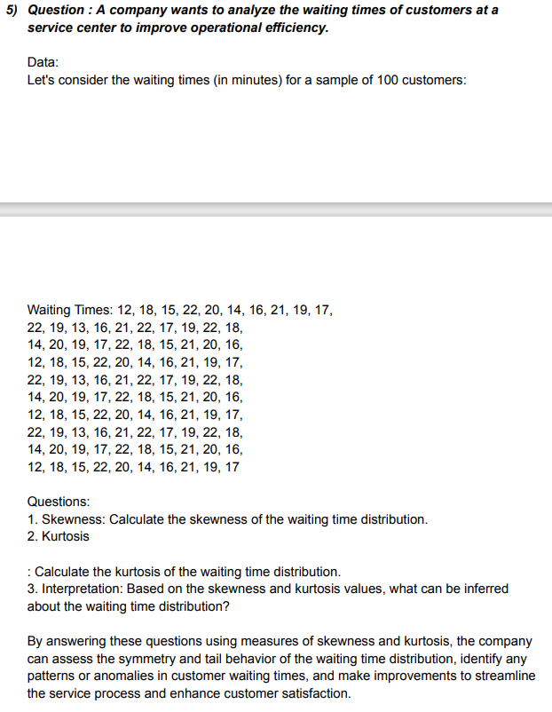
 | Times | Skewness | -0.33501287222
 | 12
 | 18 | Kurtosis | -0.88101144669
 | 15
 | 22 | Interpretation | Interpretation Based on the skewness value is -0.32997 , then left-skewed distribution is longer on the left side of its peak.
 | 20
 | 14
 | 16
 | 21 |  | Interpretation Based on the kurtosis These distributions have values of less than 3 or negative excess values -0.88101. so, this is Platykurtic distributions.
 | 19
 | 17
 | 22
 | 19
 | 13
 | 16
 | 21
 | 22
 | 17
 | 19
 | 22
 | 18
 | 14
 | 20
 | 19
 | 17
 | 22
 | 18
 | 15
 | 21
 | 20
 | 16
 | 12
 | 18
 | 15
 | 22
 | 20
 | 14
 | 16
 | 21
 | 19
 | 17
 | 22
 | 19
 | 13
 | 16
 | 21
 | 22
 | 17
 | 19
 | 22
 | 18
 | 14
 | 20
 | 19
 | 17
 | 22
 | 18
 | 15
 | 21
 | 20
 | 16
 | 12
 | 18
 | 15
 | 22
 | 20
 | 14
 | 16
 | 21
 | 19
 | 17
 | 22
 | 19
 | 13
 | 16
 | 21
 | 22
 | 17
 | 19
 | 22
 | 18
 | 14
 | 20
 | 19
 | 17
 | 22
 | 18
 | 15
 | 21
 | 20
 | 16
 | 12
 | 18
 | 15
 | 22
 | 20
 | 14
 | 16
 | 21
 | 19
 | 17

